EXAMPLE | 2018 PLAN OF ATTACK
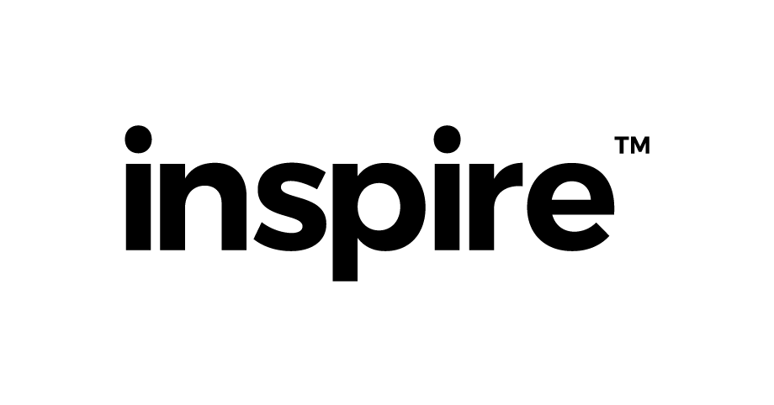
Our 1 Year Plan | 2018 ... "The Road to 200 Inspire Family (and beyond!)"
 |  |  |  | Australia's Most Impactful Accounting Firm |  |  |  |  |  |  |  | (and then the worlds...) | 
 |  | CAMPAIGN ONE |  |  |  | CAMPAIGN TWO |  |  |  | CAMPAIGN THREE
 | Theme | Cashed Up |  |  | Book Launch | #SAVE1MTAX |  |  | EOFY | The Great Australian Small Business Benchmarking Study |  |  | BENCHMARK
 | Rhythm | Activate | Recalibrate | Accelerate | Celebrate | Activate | Recalibrate | Accelerate | Celebrate | Activate | Recalibrate | Accelerate | Celebrate
 | Month | December | January | February | March | April | May | June | July | August | September | October | November
 | QTR | Q2 | Q3 | Q3 | Q3 | Q4 | Q4 | Q4 | Q1 | Q1 | Q1 | Q2 | Q2
 | FOCUS | AGM | AGM | AGM | 22 & 23 | Team Retreat | Tax Planning | Step 1 | Tax Planning | Step 2 | Tax Planning | Step 3 | 5 & 6 | Team Retreat | YExYE | Stage 1 | YExYE | Stage 2 | YExYE | Stage 3 | 1 & 2 | Team Retreat
 |  | 21 | Xmas Party | Quarterly Impact Report | 14 & 28 | BAS Run |  | Quarterly Impact Report | 14 & 28 | BAS Run | YExYE | Preparation Begins | Quarterly Impact Report | 12 & 27 | BAS Run | - | Quarterly Impact Report | 12 & 26 | BAS Run
 |  | 19 | CA Exam | #GIVE1MDAYS | KENYA | Move to Ann St OFFICE | 8 | Cashed Up Book Launch | 24 | CA Exam | Get Cashed Up w Glen Carlson | - | YExYE | "The Handover' | 28 | CA Exam | Get Cashed Up w Glen Carlson | - | 8 | Benchmark Report Launch
 |  | - | #GIVE1MDAYS | CAMBODIA | SAVE TAX | MEL SYD BNE | SAVE TAX | TASMANIA | SAVE TAX | MEL SYD BNE | SAVE TAX | MEL SYD BNE | - | SAVE TAX | MEL SYD BNE | SAVE TAX | ADELAIDE |  | SAVE TAX | MEL SYD BNE
 |  | Cashed Up Book Launch | Kickstarter Campaign |  |  |  | Save Tax Podcast Launch | 12 Episodes |  |  |  | Business Benchmark Report | Entries Open
Capacity for NEW Inspire Family | Ali | 2 | 2 | 2 | 2 | 2 | 2 | 2 | 2 | 2 | 2 | 2 | 2
 | RIz | 2 | 2 | 2 | 2 | 2 | 2 | 2 | 2 | 2 | 2 | 2 | 2
 | Chloe | 2 | 2 | 2 | 2 | 2 | 2 | 2 | 2 | 2 | 2 | 2 | 2
 | Jake | 2 | 2 | 2 | 2 | 2 | 2 | 2 | 2 | 2 | 2 | 2 | 2
 | Ben | 2 | 2 | 2 | 2 | 2 | 2 | 2 | 2 | 2 | 2 | 2 | 2
 | Harvee | 2 | 2 | 2 | 2 | 2 | 2 | 2 | 2 | 2 | 2 | 2 | 2
 | NEW | - | - | - | NEW Account Manager | 2 | 2 | 2 | 2 | 2 | 2 | 2 | 2
 | NEW | - | - | - | NEW Account Manager | 2 | 2 | 2 | 2 | 2 | 2 | 2 | 2
 | NEW | - | - | - | - | - | - | - | NEW Account Manager | 2 | 2 | 2 | 2
 | NEW | - | - | - | - | - | - | - | NEW Account Manager | 2 | 2 | 2 | 2
 | Capacity | 12 | 12 | 12 | 12 | 16 | 16 | 16 | 16 | 20 | 20 | 20 | 20
 | Budget | 91 | 103 | 115 | 127 | 143 | 159 | 175 | 191 | 211 | 231 | 251 | 271
 | Actual
Save Tax Impacts | Capacity | 200K | 200K | 200K | 200K | 300K | 500K | 1M | 200K | 200K | 200K | 200K | 200K
 | Budget | 3M | 3.2M | 3.4M | 3.6M | 3.9M | 4.4M | 5.4M | 5.6M | 5.8M | 6M | 6.2M | 6.4M
 | Actual
B1G! | Actual | 3M | 3.2M | 3.4M | 3.6M | 3.9M | 4.4M | 5.4M | 5.6M | 5.8M | 6M | 6.2M | 6.4M

 |  | 2020 | 3 Year Picture |  |  | One City (Brisbane) | 12 x Account Managers | 1:50 Ratio | 600 x Business Clients | $15,000 av. spend | "It's all sorted" | "Know Your Numbers" | "Get Cashed Up" | "My Family Prosperity"
 |  |  |  |  |  |  |  |  |  | Tax & Accounting | Bookkeeping Service | Business Advisory | Wealth Advisory

 |  | 10 x 10 | 10 Year Target |  |  | "10 Cities & 10 Million Freedom Days" |  |  |  |  | A Freedom Day (calculated as Net Wealth / Cost of Living per day) is a day where you can do what you want, when you want, with whom you want. Money isn't the most important thing in the world but it can be the key that unlocks ones ability to put the family first, and make a difference in the world.

